Module 14
Main
 | Module 14 - Financial Instruments Derecognition

 | Cashflow expired

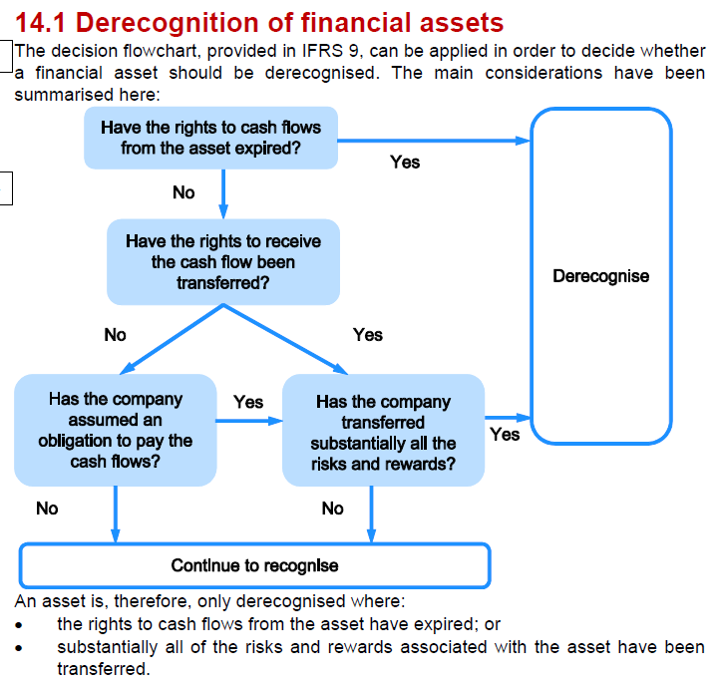

 | Cashflow from an asset can expire when:

 | Settlement | cash received to settle AR
 | Lapse | options expire before recognition
 | Cancellation | higher court ruling cancels damagess due to the resulf of a lower court decision

 | Can transfer the asset
 | onlt derecognised if the risks and rewards of the aset are alos transferred

 | If the exposure does not significantly reduce, then the asset is retained
 | if exposure is no longer significant then there is no longer exposure to the liability from the original owner

 | Example 1
 | YE | 2023-03-31

 | Loan repaid - no exposure as debt paid off
 | rights for cashflows have expired
 | no further cashflows expected

 | AR
 | non-recourse basis
 | this obligation has been transferred as debt sold fully. Cannot come back to us
 | title of the debts has changed hand.
 | right to receive the cash has transferrred to the factor

 | call option to repurchase the shares in 4 year time
 | at price plus interest at 2%
 | we are still bearing the risk and reward and the bank has an equivalent put option
 | reward - we can exercise out option and buy the shares at a favourable price - pricing in the cashflows in the interim
 | risk - bank could force us to buy the shares back. If they went down - we are still exposed to the risk

 | any proceeds received on transfer are recognised as a financial liabilty
 | the retained asset and financial liability are not offset

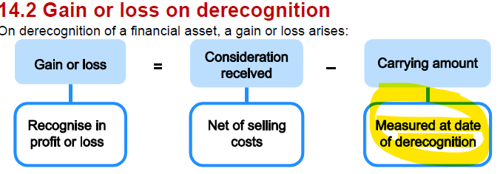

 | carrying amount at the date of derecognition

 | Amortised cost
 | recognise the finance cost up to the date of de-recognition
 | up until the date of disposal

 | FVTPL
 | remeasured prior to derecognition
 | the only loss we will have is selling cost
 | given the selling price. Revalue the asset to the selling price. Less cost of disposal and recognise the difference

 | FVTOCI
 | may have a revaluation surplus which related to the financial asset we are disposing.
 | the reval surplus needs to be sweeped to RE
 | cannot hold a surplus for an asset we no longer have
 | surplus balance will chagen on revaluation
 | movement in surplus when revaluing before disposing

 | exam tip - financial asset always sold at fair value

 | Activity 1
 | YE | 2024-12-31
 | FVTPL
 | share value | 2024-01-01 | 2,000
 | dividend received | 2024-08-01 | 55
 | FV | 2024-10-01 | 2,300
 | selling cost | 2024-10-01 | 18
 |  |  | 2,282

 | dr - revenue |  |  | 55
 |  | cr- dividends received |  |  | 55

 | revalue the asset
 | dr - finanical asset |  |  | 300
 |  | cr - SPL Fair value gain |  |  | 300
 | being fair value gain on investments in shares

 | dispose revalued asset
 | dr - SPL revenue |  |  | 2,282
 | dr - admin expense - selling cost |  |  | 18
 |  | dr - financial asset |  |  | 2,300
 | being correction to sale of investment in shares

 | Elsanna plc - FVTOCI
 | share value | 2024-01-01 | 1400
 | reval deficit | 2024-01-01 | 300 | opening reval deficit
 | proceeds | 2024-06-01 | 1600

 | reval to FV
 | dr - financial asset |  |  | 200
 |  | cr - reval deficit |  |  | 200
 | being reval of FVTOCI
 | dr revenue |  |  | 1600
 | dr - RE |  |  | 100 |  | <<<v. important to sweep the reval reserve to RE
 |  | cr - reval deficit |  |  | 100
 |  | cr - financial asset |  |  | 1600
 | being correction for sale of investment in shaeres and transfer of revaluatoin deficit to RE

 | Kickstart
 | NBV | 2024-01-01 | 3600
 | effective interest rate | 2024-01-01 | 5%
 | proceeds | 2024-03-31 | 3900
 | selling cost | 2024-03-31 | -40
 | interest paid | 2024-11-28 | each year

 | calculate the finance income and then dercognising

 |  | 3
 |  | 0.25
 | Finance income | 45 | <<<add this to the value of the asset

 | Net proceeds |  | 3860
 | carrying amount |  | 3645
 | gain on sale |  | 215

 | dr - financial asset |  |  | 45
 |  | cr - fiancne income |  |  | 45
 | being finance income for the three months ended 31/03/24

 | dr - revenue |  |  | 3860
 |  | cr - gain on sale |  |  | 215
 |  | cr - financial asset |  |  | 3645
 | being correctoin to sale of investment in bonds

 | transfer any remaining revaluation balance to retained earnings

 | Example 2

 | Loan payable
 | The loan should be derecognised as the obligation has been discharged through payment. The £40,000 early payment penalty gives rise to a loss in profit or loss.

 | Bonds
 | The bonds should be derecognised as the purchase extinguishes the obligation. A gain of £80,000 should be recognised in profit or loss.

 | Legal damages payable
 | The liability has been cancelled by legal process and should be derecognised and credited to profit or loss. The costs of £25,000 should be written off to profit or loss.

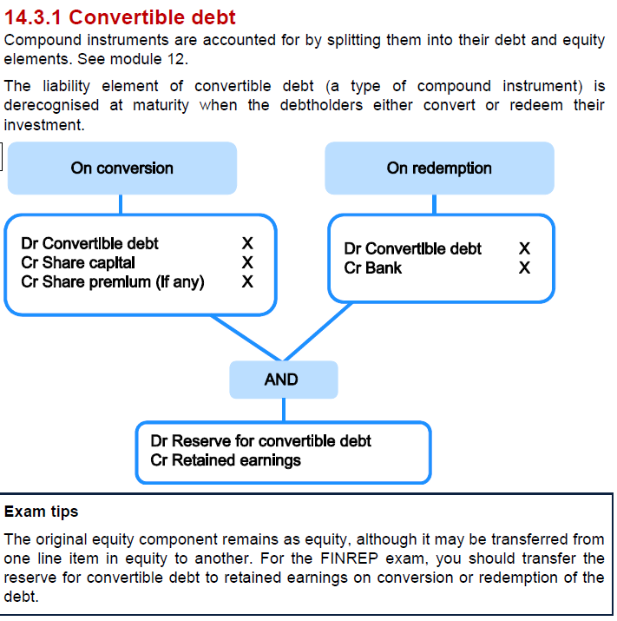

 | Activity 2

 | Equity
 | Reserve for convertible bonds |  |  |  | 40

 | CL
 | Convertible bonds |  |  |  | 1000

 | Terms
 |  | 1 | 0.25 | share per
 |  | 2 | 0.5 | bonds

 | % of converters | 80%

 | Cash paid | 200 | <<did not convert - just redeemed
 | Bonds | 2000 | number of bonds
 | Shares issued | 800 | shares issued
 | Cshares capital | 200
 | Share premium | 600

 | dr - convertible bonds |  |  | 1000
 |  | cr - bank |  |  | 200
 |  | cr - Share captial |  |  | 200
 |  | cr - share premium |  |  | 600
 | being redemption and conversion of bonds

 | Dr - reserve for ocnvertible bonds |  |  | 40
 |  | cr - RE |  |  | 40
 | being transfer from reserve for convertible bonds
 | Use the financial instruments summary pages

